2.1c-Tax Expense
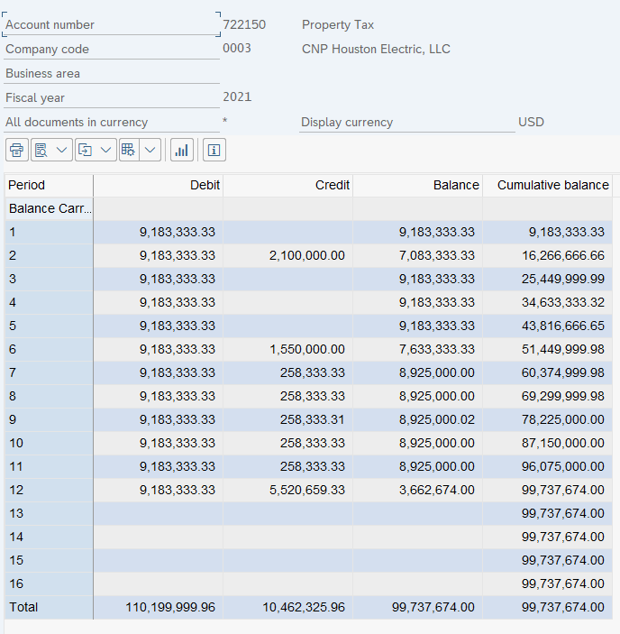
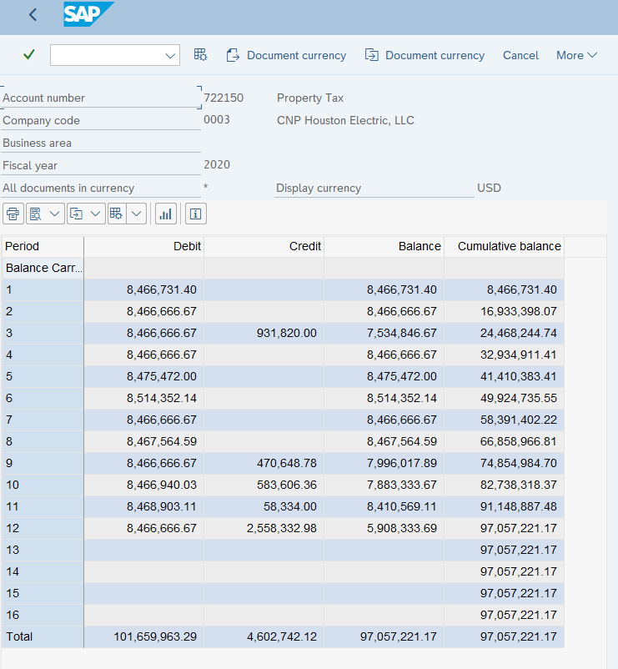
CENTERPOINT ENERGY HOUSTON ELECTRIC, LLC
II-E-2.1(c) - Property Tax Expense By Year
Test Year Ending December 31, 2023

 | Year | Expense Per SAP (722150)
 | 2023 | $112,896,150.04
 | 2022 | $113,275,221.00
 | 2021 | $99,737,674.00
 | 2020 | $97,057,221.17

 | 2023 |  | 2022
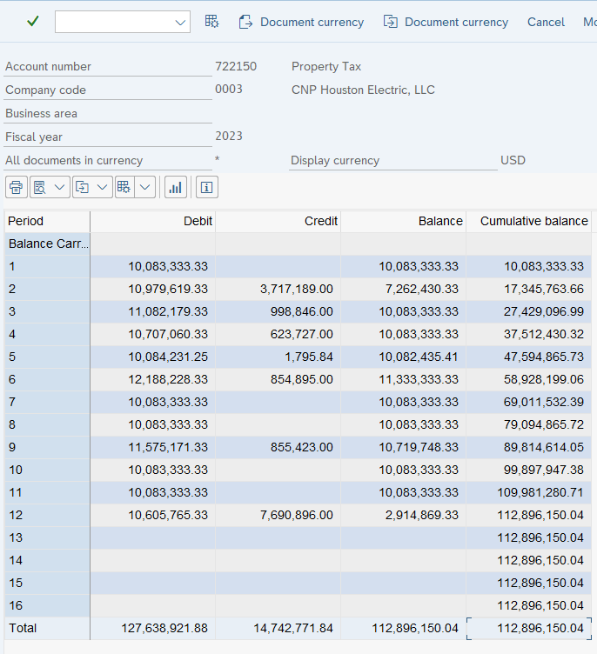
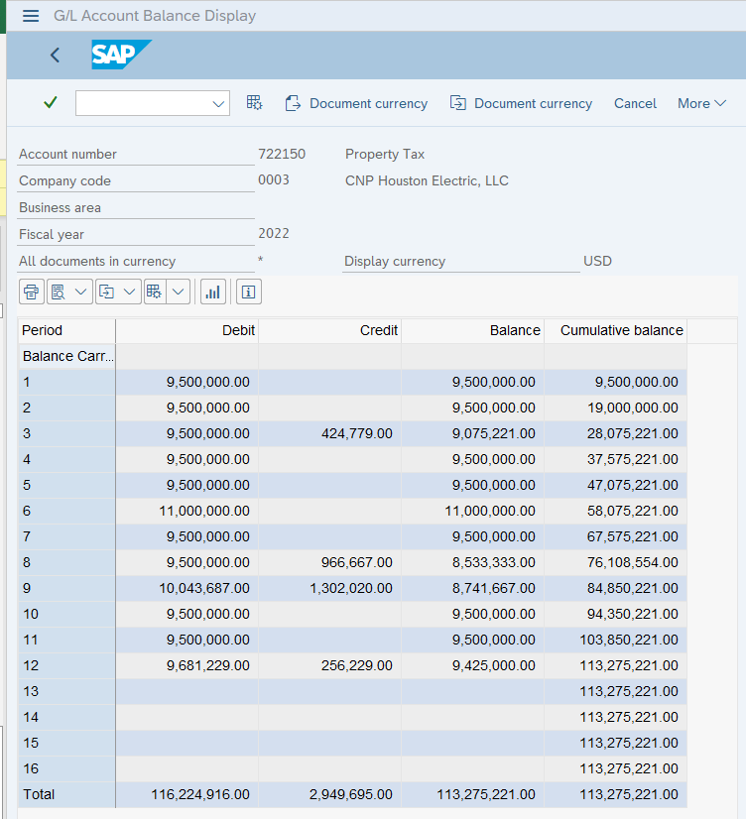

 | 2021 |  | 2020

